Dashboard
WINE QUALITY DASHBOARD

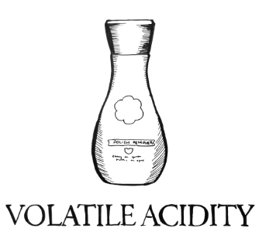
Porportions
Correlation between pH and Alcohol content
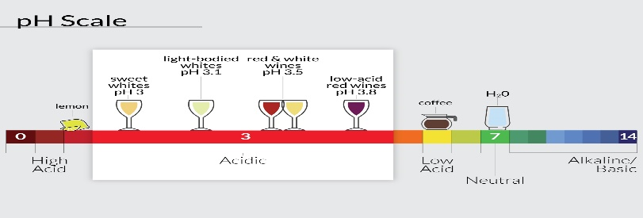
 | White Wine |  |  |  |  |  | White Wine
 |  | ph | alcohol |  |  | Median Volatile Acidity | 0.26
 | ph | 1
 | alcohol | 0.21341751404 | 1

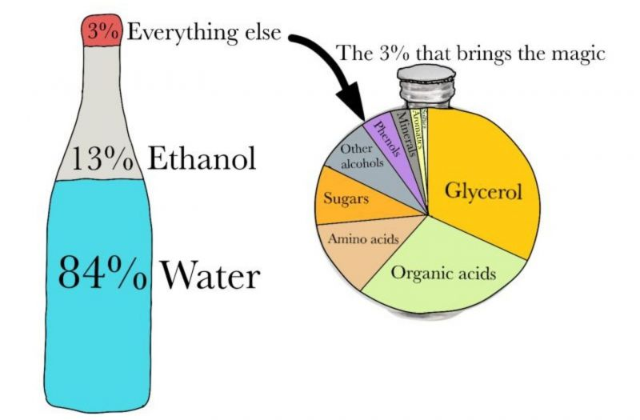
 |  |  |  |  |  |  | White Wine
 |  |  |  |  |  |  | Components | %
 |  |  |  |  |  |  | fixed acidity | 3.479
 |  |  |  |  |  |  | volatile acidity | 0.143
 |  |  |  |  |  |  | citric acid | 0.170
 |  |  |  | White Wine |  |  | residual sugar | 3.009
 |  |  | Median Quality | 6 |  |  | chlorides | 0.023
Wine Proportions
 |  |  |  |  |  |  | free sulfur dioxide | 17.748
 |  |  |  |  |  |  | total sulfur dioxide | 69.791
 |  |  |  |  |  |  | sulphates | 0.249
 |  |  |  |  |  |  | alcohols | 5.387



 |  |  |  |  | CITRIC ACID

 |  |  |  |  |  |  | White Wine
 |  |  |  |  |  |  | Proportion(%) |  | 0.170

